Causal inference
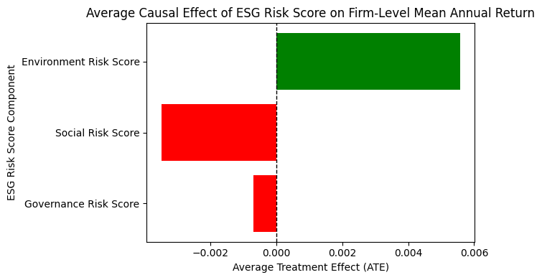
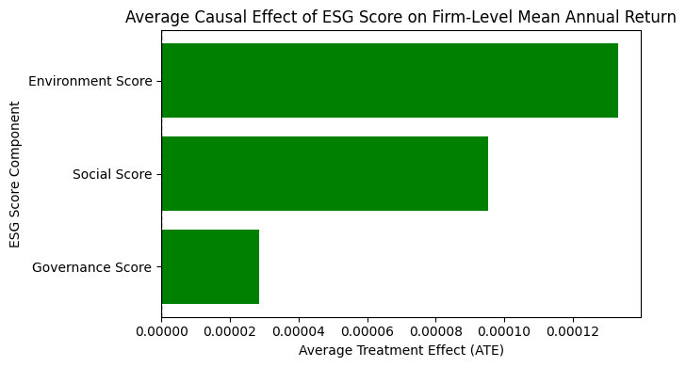
Daily
 | feature | ATE_mean | mean_abs_effect |  | feature | ATE_mean | mean_abs_effect
0 | Environment Risk Score | 0.000012 | 0.000013 | 0 | Environment Score | 3.25E-07 | 3.38E-07
1 | Social Risk Score | -0.000009 | 0.000009 | 1 | Social Score | 1.23E-07 | 2.65E-07
2 | Governance Risk Score | 0.000002 | 0.000008 | 2 | Governance Score | 4.79E-07 | 5.70E-07
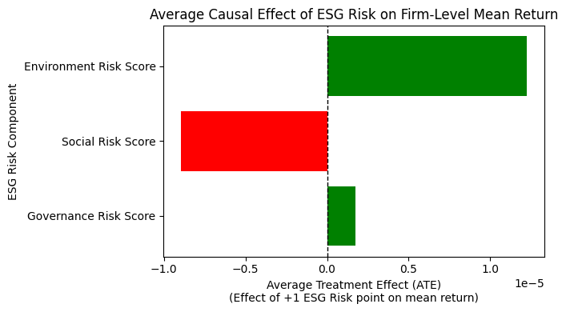
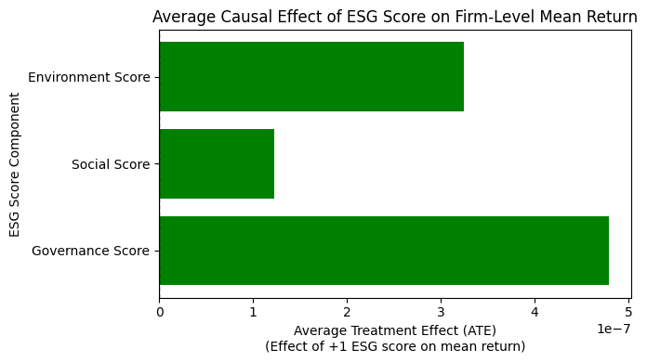

Monthly
 | feature | ATE_mean | mean_abs_effect |  | feature | ATE_mean | mean_abs_effect
0 | Environment Risk Score | 0.000384 | 0.000391 | 0 | Environment Score | 0.000008 | 0.000008
1 | Social Risk Score | -0.00017 | 0.000183 | 1 | Social Score | 0.000003 | 0.000006
2 | Governance Risk Score | -0.000053 | 0.000156 | 2 | Governance Score | 0.000011 | 0.000014
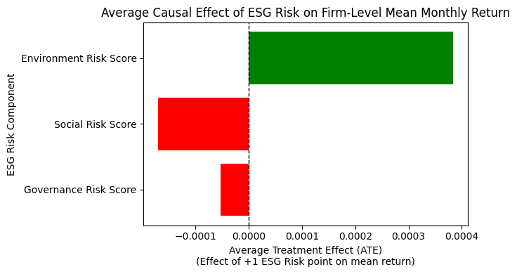
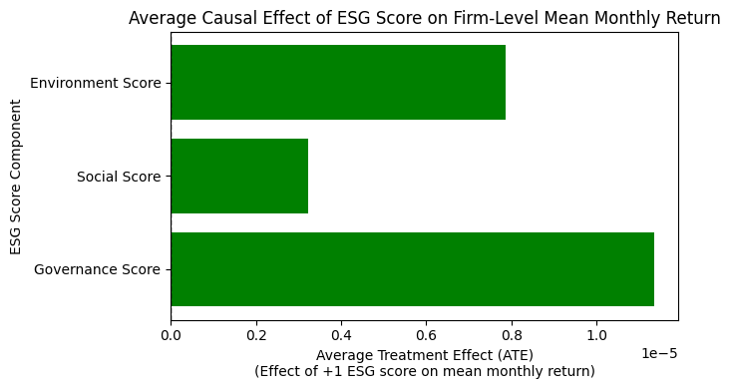

Yearly
 | feature | ATE_mean | mean_abs_effect |  | feature | ATE_mean | mean_abs_effect
0 | Environment Risk Score | 0.005569 | 0.005593 | 0 | Environment Score | 0.000133 | 0.000146
1 | Social Risk Score | -0.003478 | 0.003563 | 1 | Social Score | 0.000095 | 0.000132
2 | Governance Risk Score | -0.000699 | 0.001061 | 2 | Governance Score | 0.000029 | 0.000078

